Figure 3
Title: Historical and projected gap and ratio for access to high-tariff providers between POLAR4 quintile 1 and quintile 5 entrants (KPM2)
Population: English-domiciled 18- to 19-year-old entrants (all levels) to high-tariff providers in England
Source data: OfS report 'Analysis of access and participation plan targets in relation to OfS key performance measures' (available at www.officeforstudents.org.uk/publications/transforming-opportunity-in-higher-education/)

Calculation where provider without target is set to end with lowest ratio |  | Calculations where non-target providers are assumed to make no change |  |  |  |  |  |  | Gap (historical) | Transition | Gap (projected) | Ratio (historical) | Transition | Ratio (projected) | Gap (all providers to smallest provider gap) | Gap (all providers to zero)
 |  |  |  |  |  |  |  | 2013-14 | 38.8 |  |  | 7.49
 |  | These are the numbers used in the chart |  |  |  |  |  | 2014-15 | 37.8 |  |  | 6.88
_NAME_ | COL1 | _NAME_ | COL1 |  |  |  |  | 2015-16 | 37.1 |  |  | 6.70
_FREQ_ | 31 | _FREQ_ | 31 |  |  |  |  | 2016-17 | 36.7 |  |  | 6.55
f2021_q1 | 7804.9375658 | f2021_q1 | 7804.9375658 | 0.076216371913 | 0.35520787495 | 4802.6876262 |  | 2017-18 | 36.2 | 36.2 |  | 6.24 | 6.24
f2122_q1 | 8542.284813 | f2122_q1 | 8542.284813 | 0.083416677047 | 0.34800756982 |  |  | 2018-19 |  | 35.7 |  |  | 6.00
f2223_q1 | 9366.6200261 | f2223_q1 | 9366.6200261 | 0.091466432558 | 0.3399578143 |  |  | 2019-20 |  | 35.2 |  |  | 5.80
f2324_q1 | 10484.688291 | f2324_q1 | 10484.688291 | 0.10238453485 | 0.32903971202 |  |  | 2020-21 |  | 34.7 | 34.7 |  | 5.66 | 5.66
f2425_q1 | 12607.625192 | f2425_q1 | 11887.707246 | 0.11608522285 | 0.31533902401 |  |  | 2021-22 |  |  | 33.8 |  |  | 5.17
f2021_q5 | 44180 | f2021_q5 | 44180 | 0.43142424686 |  |  |  | 2022-23 |  |  | 32.7 |  |  | 4.72
f2122_q5 | 44180 | f2122_q5 | 44180 | 0.43142424686 |  |  |  | 2023-24 |  |  | 31.3 |  |  | 4.21
f2223_q5 | 44180 | f2223_q5 | 44180 | 0.43142424686 |  |  |  | 2024-25 |  |  | 29.7 |  |  | 3.72 | 1.43 | 0
f2324_q5 | 44180 | f2324_q5 | 44180 | 0.43142424686 |  |  |  | 2025-26
f2425_q5 | 44180 | f2425_q5 | 44180 | 0.43142424686 |  |  |  | 2026-27
n_year1 | 90030 | n_year1 | 90030 |  |  |  |  | 2027-28
n_year2 | 91660 | n_year2 | 91660 |  |  |  |  | 2028-29
n_year3 | 98865 | n_year3 | 98865 |  |  |  |  | 2029-30
n_year4 | 101850 | n_year4 | 101850 |  |  |  |  | 2030-31
n_year5 | 102405 | n_year5 | 102405 |  |  |  |  | 2031-32
ny1_POLAR4Q1 | 5390 | ny1_POLAR4Q1 | 5390 |  |  |  |  | 2032-33
ny1_POLAR4Q5 | 40355 | ny1_POLAR4Q5 | 40355 |  |  |  |  | 2033-34
ny2_POLAR4Q1 | 5890 | ny2_POLAR4Q1 | 5890 |  |  |  |  | 2034-35
ny2_POLAR4Q5 | 40520 | ny2_POLAR4Q5 | 40520 |  |  |  |  | 2035-36
ny3_POLAR4Q1 | 6430 | ny3_POLAR4Q1 | 6430 |  |  |  |  | 2036-37
ny3_POLAR4Q5 | 43080 | ny3_POLAR4Q5 | 43080 |  |  |  |  | 2037-38
ny4_POLAR4Q1 | 6730 | ny4_POLAR4Q1 | 6730 |  |  |  |  | 2038-39
ny4_POLAR4Q5 | 44065 | ny4_POLAR4Q5 | 44065 |  |  |  |  | 2039-40
ny5_POLAR4Q1 | 7085 | ny5_POLAR4Q1 | 7085
ny5_POLAR4Q5 | 44180 | ny5_POLAR4Q5 | 44180 |  |  |  |  |  | N |  |  |  |  |  | Longer term |  |  |  |  |  |  |  |  |  |  |  |  |  |  | Prop |  |  |  |  |  | Longer term
gap_y1 | 35.5 | gap_y1 | 35.5 |  |  |  | No adjustment (squeezed middle) |  | Baseline | 20-21 | 21-22 | 22-23 | 23-24 | 24-25 | 25-26 | 26-27 | 27-28 | 28-29 | 29-30 | 30-31 | 31-32 | 32-33 | 33-34 | 34-35 | 35-36 | 36-37 | 37-38 | 38-39 | 39-40 | Baseline | 20-21 | 21-22 | 22-23 | 23-24 | 24-25 | 25-26 | 26-27 | 27-28 | 28-29 | 29-30 | 30-31 | 31-32 | 32-33 | 33-34 | 34-35 | 35-36 | 36-37 | 37-38 | 38-39 | 39-40
gap_y2 | 34.8 | gap_y2 | 34.8 |  |  |  |  | Q1 | 5,390 | 7,805 | 8,542 | 9,367 | 10,485 | 11,888 | 13,291 | 14,694 | 16,097 | 17,500 | 18,903 | 20,306 | 21,709 | 23,112 | 24,515 | 25,918 | 27,321 | 28,724 | 30,127 | 31,530 | 32,933 | 5.3% | 7.6% | 8.3% | 9.1% | 10.2% | 11.6% | 13.0% | 14.3% | 15.7% | 17.1% | 18.5% | 19.8% | 21.2% | 22.6% | 23.9% | 25.3% | 26.7% | 28.0% | 29.4% | 30.8% | 32.2%
gap_y3 | 34.0 | gap_y3 | 34.0 |  |  |  |  | Q2 to Q4 | 52,835 | 50,420 | 49,683 | 48,858 | 47,740 | 46,337 | 44,934 | 43,531 | 42,128 | 40,725 | 39,322 | 37,919 | 36,516 | 35,113 | 33,710 | 32,307 | 30,904 | 29,501 | 28,098 | 26,695 | 25,292 | 51.6% | 49.2% | 48.5% | 47.7% | 46.6% | 45.2% | 43.9% | 42.5% | 41.1% | 39.8% | 38.4% | 37.0% | 35.7% | 34.3% | 32.9% | 31.5% | 30.2% | 28.8% | 27.4% | 26.1% | 24.7%
gap_y4 | 32.9 | gap_y4 | 32.9 |  |  |  |  | Q5 | 44,180 | 44,180 | 44,180 | 44,180 | 44,180 | 44,180 | 44,180 | 44,180 | 44,180 | 44,180 | 44,180 | 44,180 | 44,180 | 44,180 | 44,180 | 44,180 | 44,180 | 44,180 | 44,180 | 44,180 | 44,180 | 43.1% | 43.1% | 43.1% | 43.1% | 43.1% | 43.1% | 43.1% | 43.1% | 43.1% | 43.1% | 43.1% | 43.1% | 43.1% | 43.1% | 43.1% | 43.1% | 43.1% | 43.1% | 43.1% | 43.1% | 43.1%
gap_at_end | 30.8 | gap_at_end | 31.5 |  |  |  |  | Total size | 102,405 | 102,405 | 102,405 | 102,405 | 102,405 | 102,405 | 102,405 | 102,405 | 102,405 | 102,405 | 102,405 | 102,405 | 102,405 | 102,405 | 102,405 | 102,405 | 102,405 | 102,405 | 102,405 | 102,405 | 102,405
hgap_y1 | 38.8 | hgap_y1 | 38.8 |  |  |  |  |  |  | 737 | 824 | 1,118 | 1,403 | Gap(Fixed sector, Q2-Q4 reduced) |  |  |  |  |  |  |  |  |  |  |  |  |  |  |  | 37.9% | 35.5% | 34.8% | 34.0% | 32.9% | 31.5% | 30.2% | 28.8% | 27.4% | 26.1% | 24.7% | 23.3% | 21.9% | 20.6% | 19.2% | 17.8% | 16.5% | 15.1% | 13.7% | 12.4% | 11.0%
 | Gap (historical) | Gap (projected) | Transition | Gap (all providers to zero) | Ratio (historical) | Transition | Ratio (projected)
2013-14 | 38.8 |  |  |  | 7.49
2014-15 | 37.8 |  |  |  | 6.88
2015-16 | 37.1 |  |  |  | 6.70
2016-17 | 36.7 |  |  |  | 6.55
2017-18 | 36.2 |  | 36.223817196 |  | 6.24 | 6.2357092449
2018-19 |  |  | 35.7 |  |  | 6
2019-20 |  |  | 35.2 |  |  | 5.8
2020-21 |  | 34.702427114 | 34.702427114 |  |  | 5.6605193351 | 5.6605193351
2021-22 |  | 33.761492871 |  |  |  |  | 5.1719183997
2022-23 |  | 32.724995131 |  |  |  |  | 4.7167494653
2023-24 |  | 31.344566896 |  |  |  |  | 4.2137638023
2024-25 |  | 29.652424233 |  | 0 |  |  | 3.7164441458
hgap_y2 | 37.8 | hgap_y2 | 37.8 |  |  |  |  |  |  |  |  |  |  | Ratio(Fixed sector, Q2-Q4 reduced) |  |  |  |  |  |  |  |  |  |  |  |  |  |  |  | 8.2 | 5.7 | 5.2 | 4.7 | 4.2 | 3.7 | 3.3 | 3.0 | 2.7 | 2.5 | 2.3 | 2.2 | 2.0 | 1.9 | 1.8 | 1.7 | 1.6 | 1.5 | 1.5 | 1.4 | 1.3
hgap_y3 | 37.1 | hgap_y3 | 37.1 |  |  |  |  |  | N |  |  |  |  |  |  |  |  |  |  |  |  |  |  |  |  |  |  |  |  | Prop
hgap_y4 | 36.7 | hgap_y4 | 36.7 |  |  |  | Adjustment (reduction across other quintiles) |  | Baseline | 20-21 | 21-22 | 22-23 | 23-24 | 24-25 |  |  |  |  |  |  |  |  |  |  |  |  |  |  |  | Baseline | 20-21 | 21-22 | 22-23 | 23-24 | 24-25
hgap_y5 | 36.2 | hgap_y5 | 36.2 |  |  |  |  | Q1 | 5,390 | 7,805 | 8,542 | 9,367 | 10,485 | 11,888 | 13,291 | 14,694 | 16,097 | 17,500 | 18,903 | 20,306 | 21,709 | 23,112 | 24,515 | 25,918 | 27,321 | 28,724 | 30,127 | 31,530 | 32,933 | 5.3% | 7.6% | 8.3% | 9.1% | 10.2% | 11.6% | 13.0% | 14.3% | 15.7% | 17.1% | 18.5% | 19.8% | 21.2% | 22.6% | 23.9% | 25.3% | 26.7% | 28.0% | 29.4% | 30.8% | 32.2%
ratio_y1 | 5.7 | ratio_y1 | 5.7 |  |  |  |  | Q2 to Q4 | 52,835 | 51,520 | 51,118 | 50,669 | 50,060 | 49,296 | 48,532 | 47,768 | 47,004 | 46,240 | 45,476 | 44,712 | 43,948 | 43,184 | 42,419 | 41,655 | 40,891 | 40,127 | 39,363 | 38,599 | 37,835 | 51.6% | 50.3% | 49.9% | 49.5% | 48.9% | 48.1% | 47.4% | 46.6% | 45.9% | 45.2% | 44.4% | 43.7% | 42.9% | 42.2% | 41.4% | 40.7% | 39.9% | 39.2% | 38.4% | 37.7% | 36.9%
ratio_y2 | 5.2 | ratio_y2 | 5.2 |  |  |  |  | Q5 | 44,180 | 43,080 | 42,744 | 42,369 | 41,860 | 41,221 | 40,582 | 39,943 | 39,304 | 38,665 | 38,026 | 37,387 | 36,749 | 36,110 | 35,471 | 34,832 | 34,193 | 33,554 | 32,915 | 32,276 | 31,637 | 43.1% | 42.1% | 41.7% | 41.4% | 40.9% | 40.3% | 39.6% | 39.0% | 38.4% | 37.8% | 37.1% | 36.5% | 35.9% | 35.3% | 34.6% | 34.0% | 33.4% | 32.8% | 32.1% | 31.5% | 30.9%
ratio_y3 | 4.72 | ratio_y3 | 4.7 |  |  |  |  | Total size | 102,405 | 102,405 | 102,405 | 102,405 | 102,405 | 102,405 | 102,405 | 102,405 | 102,405 | 102,405 | 102,405 | 102,405 | 102,405 | 102,405 | 102,405 | 102,405 | 102,405 | 102,405 | 102,405 | 102,405 | 102,405
ratio_y4 | 4.2 | ratio_y4 | 4.2 |  |  |  |  |  |  | 737 | 824 | 1,118 | 1,403 | Gap(Fixed sector, Q2-Q5 reduced) |  |  |  |  |  |  |  |  |  |  |  |  |  |  |  | 37.9% | 34.4% | 33.4% | 32.2% | 30.6% | 28.6% | 26.7% | 24.7% | 22.7% | 20.7% | 18.7% | 16.7% | 14.7% | 12.7% | 10.7% | 8.7% | 6.7% | 4.7% | 2.7% | 0.7% | -1.3%
ratio_at_end | 3.50 | ratio_at_end | 3.72 |  |  |  |  |  |  |  |  |  |  | Ratio(Fixed sector, Q2-Q5 reduced) |  |  |  |  |  |  |  |  |  |  |  |  |  |  |  | 8.2 | 5.5 | 5.0 | 4.5 | 4.0 | 3.5 | 3.1 | 2.7 | 2.4 | 2.2 | 2.0 | 1.8 | 1.7 | 1.6 | 1.4 | 1.3 | 1.3 | 1.2 | 1.1 | 1.0 | 1.0
hratio_y1 | 7.5 | hratio_y1 | 7.5 |  |  |  |  |  | N |  |  |  |  |  |  |  |  |  |  |  |  |  |  |  |  |  |  |  |  | Prop
hratio_y2 | 6.9 | hratio_y2 | 6.9 |  |  |  | Adjustment (expansion in sector based on Q1 only) |  | Baseline | 20-21 | 21-22 | 22-23 | 23-24 | 24-25 |  |  |  |  |  |  |  |  |  |  |  |  |  |  |  | Baseline | 20-21 | 21-22 | 22-23 | 23-24 | 24-25
hratio_y3 | 6.7 | hratio_y3 | 6.7 |  |  |  |  | Q1 | 5,390 | 7,805 | 8,542 | 9,367 | 10,485 | 11,888 | 13,291 | 14,694 | 16,097 | 17,500 | 18,903 | 20,306 | 21,709 | 23,112 | 24,515 | 25,918 | 27,321 | 28,724 | 30,127 | 31,530 | 32,933 | 5.3% | 7.4% | 8.1% | 8.8% | 9.8% | 10.9% | 12.0% | 13.2% | 14.2% | 15.3% | 16.3% | 17.3% | 18.3% | 19.2% | 20.2% | 21.1% | 22.0% | 22.8% | 23.7% | 24.5% | 25.3%
hratio_y4 | 6.5475482912 | hratio_y4 | 6.5 |  |  |  |  | Q2 to Q4 | 52,835 | 52,835 | 52,835 | 52,835 | 52,835 | 52,835 | 52,835 | 52,835 | 52,835 | 52,835 | 52,835 | 52,835 | 52,835 | 52,835 | 52,835 | 52,835 | 52,835 | 52,835 | 52,835 | 52,835 | 52,835 | 51.6% | 50.4% | 50.1% | 49.7% | 49.1% | 48.5% | 47.9% | 47.3% | 46.7% | 46.1% | 45.6% | 45.0% | 44.5% | 44.0% | 43.5% | 43.0% | 42.5% | 42.0% | 41.6% | 41.1% | 40.7%
hratio_y5 | 6.2357092449 | hratio_y5 | 6.24 |  |  |  |  | Q5 | 44,180 | 44,180 | 44,180 | 44,180 | 44,180 | 44,180 | 44,180 | 44,180 | 44,180 | 44,180 | 44,180 | 44,180 | 44,180 | 44,180 | 44,180 | 44,180 | 44,180 | 44,180 | 44,180 | 44,180 | 44,180 | 43.1% | 42.1% | 41.9% | 41.5% | 41.1% | 40.6% | 40.1% | 39.5% | 39.1% | 38.6% | 38.1% | 37.7% | 37.2% | 36.8% | 36.4% | 35.9% | 35.5% | 35.1% | 34.7% | 34.4% | 34.0%
 |  |  |  |  |  |  |  | Total size | 102,405 | 104,820 | 105,557 | 106,382 | 107,500 | 108,903 | 110,306 | 111,709 | 113,112 | 114,515 | 115,918 | 117,321 | 118,724 | 120,127 | 121,530 | 122,933 | 124,336 | 125,739 | 127,142 | 128,545 | 129,948
 |  |  |  |  |  |  |  |  |  | 737 | 824 | 1,118 | 1,403 | Gap(Expansion for Q1) |  |  |  |  |  |  |  |  |  |  |  |  |  |  |  | 37.9% | 34.7% | 33.8% | 32.7% | 31.3% | 29.7% | 28.0% | 26.4% | 24.8% | 23.3% | 21.8% | 20.3% | 18.9% | 17.5% | 16.2% | 14.9% | 13.6% | 12.3% | 11.1% | 9.8% | 8.7%
 |  |  |  |  |  |  |  |  |  |  |  |  |  | Ratio(Expansion for Q1) |  |  |  |  |  |  |  |  |  |  |  |  |  |  |  | 8.2 | 5.7 | 5.2 | 4.7 | 4.2 | 3.7 | 3.3 | 3.0 | 2.7 | 2.5 | 2.3 | 2.2 | 2.0 | 1.9 | 1.8 | 1.7 | 1.6 | 1.5 | 1.5 | 1.4 | 1.3
 |  |  |  |  |  |  |  |  |  |  |  |  |  | 4,083
 |  |  |  |  |  |  |  |  |  |  |  |  |  | 6,498 |  |  |  |  |  |  |  |  |  |  |  |  |  |  |  | 0.34702427114 | 34.702427114
 |  |  |  |  |  |  |  |  |  |  |  |  |  |  |  |  |  |  |  |  |  |  |  |  |  |  |  |  |  | 0.33761492871 | 33.761492871
 |  |  |  |  |  |  |  |  |  |  |  |  |  |  |  |  |  |  |  |  |  |  |  |  |  |  |  |  |  | 0.32724995131 | 32.724995131
 |  |  |  |  |  |  |  |  |  |  |  |  |  |  |  |  |  |  |  |  |  |  |  |  |  |  |  |  |  | 0.31344566896 | 31.344566896
 |  |  |  |  |  |  |  |  |  |  |  |  |  |  |  |  |  |  |  |  |  |  |  |  |  |  |  |  |  | 0.29652424233 | 29.652424233

Figure 4
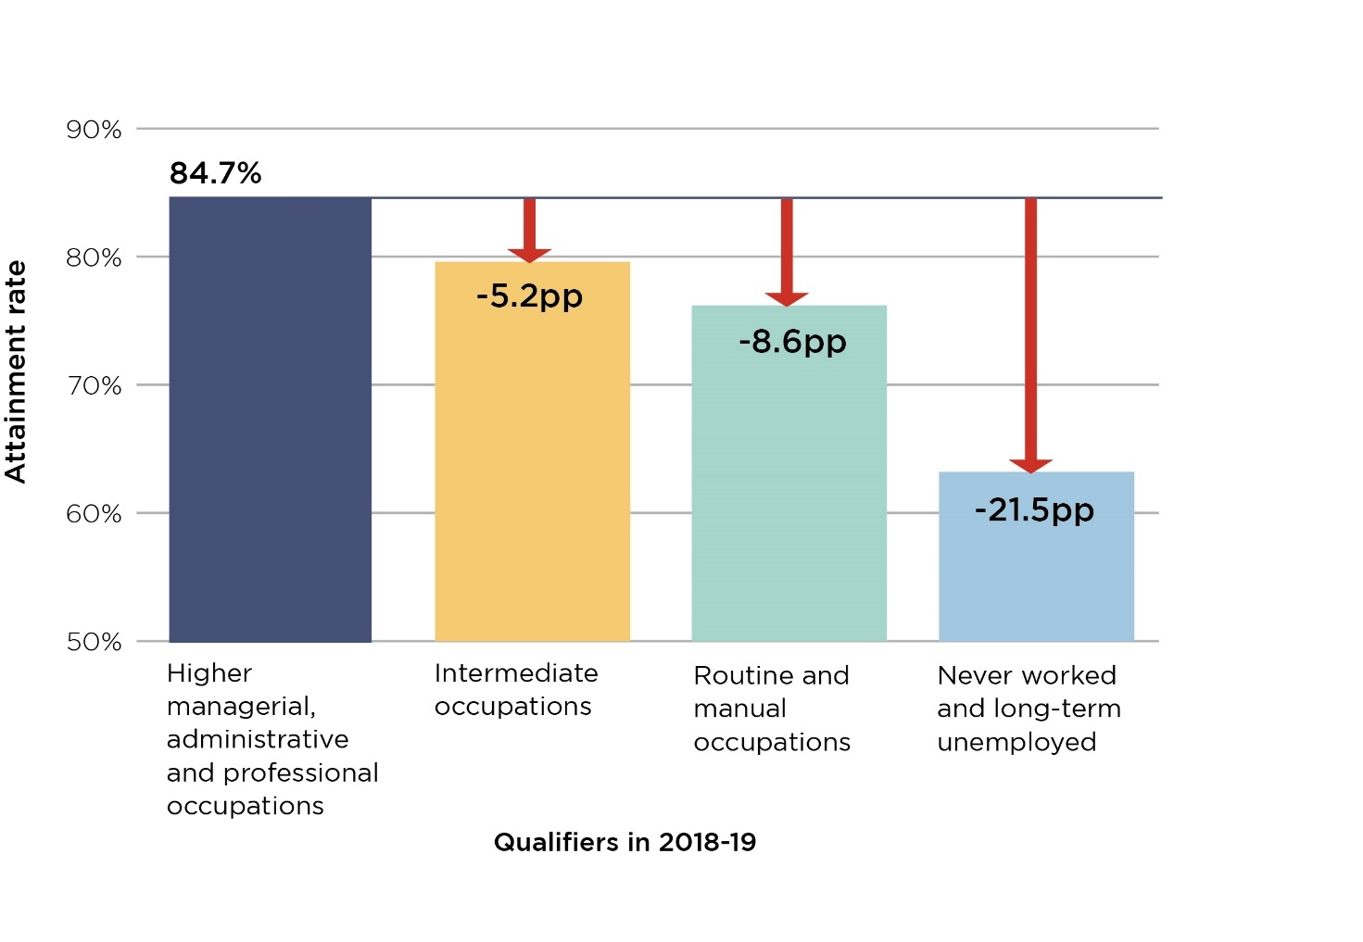
Title: The differences in rates of achieving a first or upper-second class degree by NS-SEC for Full-time, UK-domiciled, first degree students and those on undergraduate courses with postgraduate components
Population: Full-time, UK-domiciled, first degree and undergraduate with postgraduate components qualifers that applied via UCAS to an Engligh higher education provider that reports data to the HESA student record.
Source data: OfS report 'Differences in student outcomes - further characteristics' (available at www.officeforstudents.org.uk/publications/differences-in-student-outcomes-further-characteristics)

 | Higher managerial, administrative and professional occupations |  |  | Intermediate occupations |  |  | Routine and manual occupations |  |  | Never worked and long-term unemployed |  |  | Difference in attainment rates between:
Year of qualification | Number of qualifiers | Number of first or upper second class degree | Attainment rate (%) | Number of qualifiers | Number of first or upper second class degree | Attainment rate (%) | Number of qualifiers | Number of first or upper second class degree | Attainment rate (%) | Number of qualifiers | Number of first or upper second class degree | Attainment rate (%) | Higher managerial, administrative and professional occupations and Intermediate occupations (pp) | Higher managerial, administrative and professional occupations and Routine and manual occupations (pp) | Higher managerial, administrative and professional occupations and Never worked and long-term unemployed (pp)
2018-19 | 99,695 | 84,485 | 84.7 | 36,555 | 29,085 | 79.6 | 39,015 | 29,715 | 76.2 | 540 | 340 | 63.2 | 5.2 | 8.6 | 21.5

Figure 5
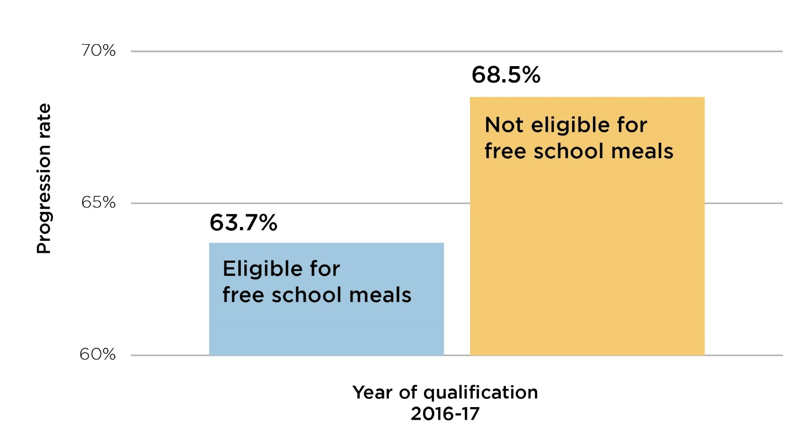
Title: The difference in students progressing to highly skilled employment or further study at higher level by free school meal eligibility for full-time England-domiciled undergraduate qualifiers
Population: Full-time England-domiciled undergraduate or apprenticeship qualifiers at English higher education providers who attended a state-funded mainstream school in England and were under 21 when they began their qualification
Source data: OfS report 'Differences in student outcomes - further characteristics' (available at www.officeforstudents.org.uk/publications/differences-in-student-outcomes-further-characteristics)

 | Not eligible for free school meals |  |  | Eligible for free school meals
Year of qualification | Number of qualifiers | Number in highly skilled employment or further study | Progression rate (%) | Number of qualifiers | Number in highly skilled employment or further study | Progression rate (%) | Difference in progression rates (pp)
2016-17 | 84,915 | 58,190 | 68.5 | 13,735 | 8,750 | 63.7 | 4.8

Figure 6
Title: Number of mature undergraduate entrants to English higher education providers
Population: UK-domiciled entrants to undergraduate provision at English higher education providers who are 21 or over.
Source data: OfS, ‘Equality and diversity data’ (available at www.officeforstudents.org.uk/data-and-analysis/equality-and-diversity-student-data/equality-and-diversity-data/).

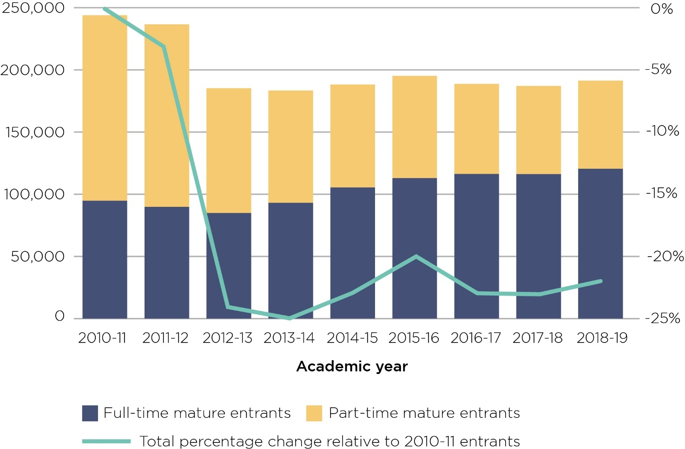
Academic year of entry | Total mature entrants | Total percentage change relative to 2010-11 entrants | Full-time mature entrants | Part-time mature entrants
2010-11 | 243,885 | 0% | 94,745 | 149,140
2011-12 | 236,590 | -3% | 89,850 | 146,740
2012-13 | 185,245 | -24% | 84,860 | 100,385
2013-14 | 183,410 | -25% | 93,115 | 90,300
2014-15 | 188,200 | -23% | 105,410 | 82,785
2015-16 | 195,180 | -20% | 112,985 | 82,190
2016-17 | 188,730 | -23% | 116,315 | 72,415
2017-18 | 187,075 | -23% | 116,160 | 70,910
2018-19 | 191,340 | -22% | 120,460 | 70,880

